Sheet1

PIONEER SERVICES



M/S Iqbal sons |  |  |  |  |  | 23-Jan-25

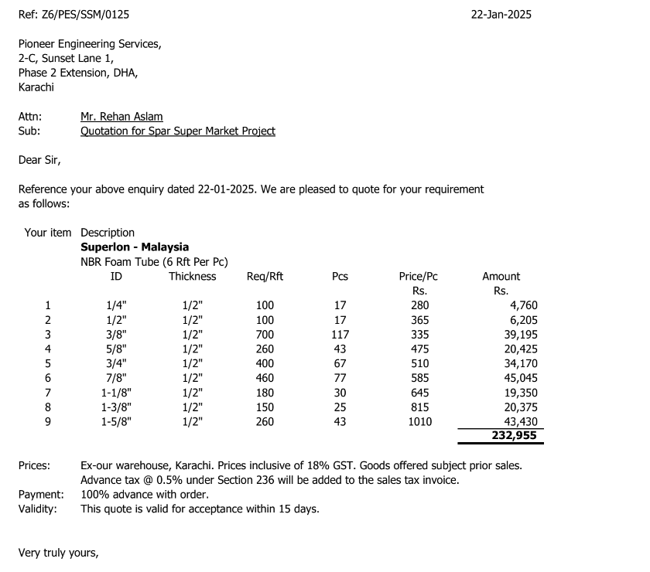
PO # 13892

Att: Mr. Amjad

PURCHASE ORDER

Supply of Super loan insulation for the project Spar super market
S No. | D e s c r i p t i o n | Size | Qty | Unit | Rate | Amount
 | Brand: Super loan
1 | Super loan insulation thickness 12mm | 1/4" | 102 | Rft | 47 | 4,760 | 8 | 280
3 | Super loan insulation thickness 12mm | 1/2" | 102 | Rft | 61 | 6,205 | 10 | 365
2 | Super loan insulation thickness 12mm | 3/8" | 702 | Rft | 56 | 39,195 | 9 | 335
4 | Super loan insulation thickness 12mm | 5/8" | 258 | Rft | 79 | 20,425 | 13 | 475
5 | Super loan insulation thickness 12mm | 3/4" | 402 | Rft | 85 | 34,170 | 14 | 510
6 | Super loan insulation thickness 12mm | 7/8" | 462 | Rft | 98 | 45,045 | 16 | 585
7 | Super loan insulation thickness 12mm | 1-1/8" | 180 | Rft | 108 | 19,350 | 18 | 645
8 | Super loan insulation thickness 12mm | 1-3/8" | 150 | Rft | 136 | 20,375 | 23 | 815
9 | Super loan insulation thickness 12mm | 1-5/8" | 258 | Rft | 168 | 43,430 | 28 | 1,010
 |  |  | TOTAL: |  |  | 232,955
Discount 6.5% |  |  |  |  |  | 15,142
Total amount |  |  |  |  |  | 217,813

Note: This PO is subject to the consultant's approval.

for Pioneer Engineering Services

